Customer
Create Customer Manual

Select a menu(Customer)
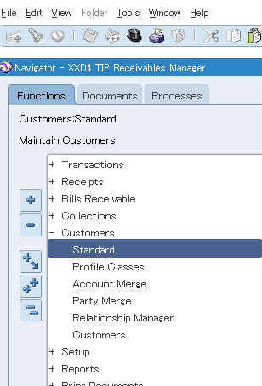

Push "Create" button

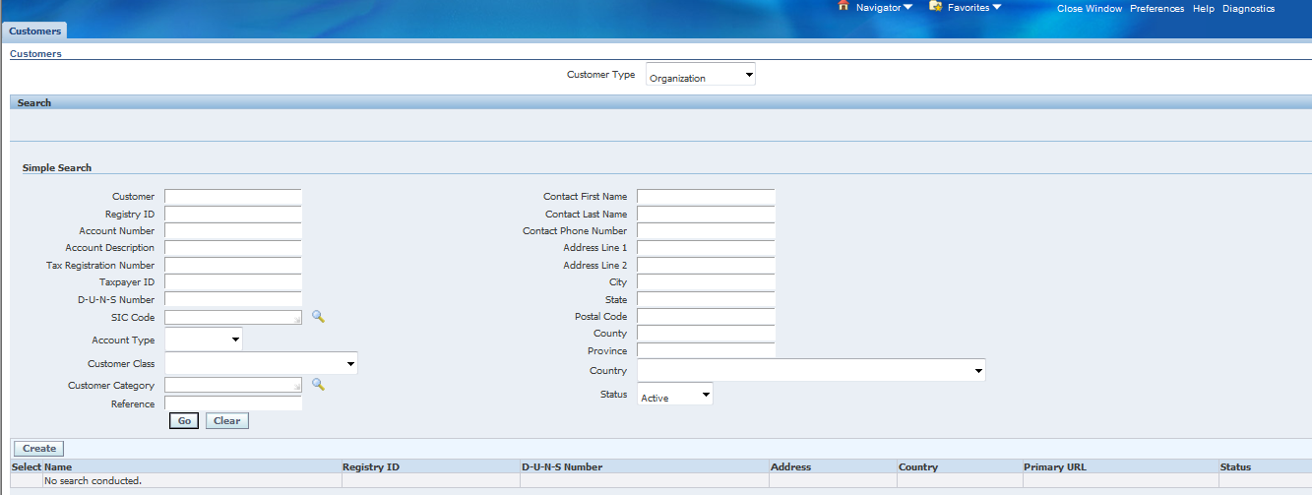

Enter Item
Push "Save and Add details" button
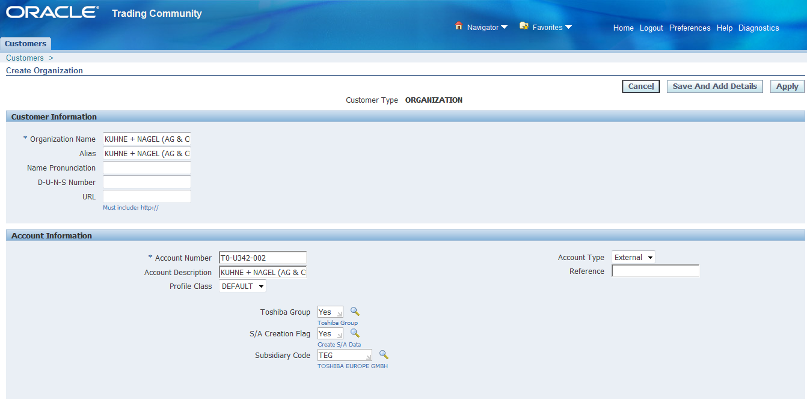

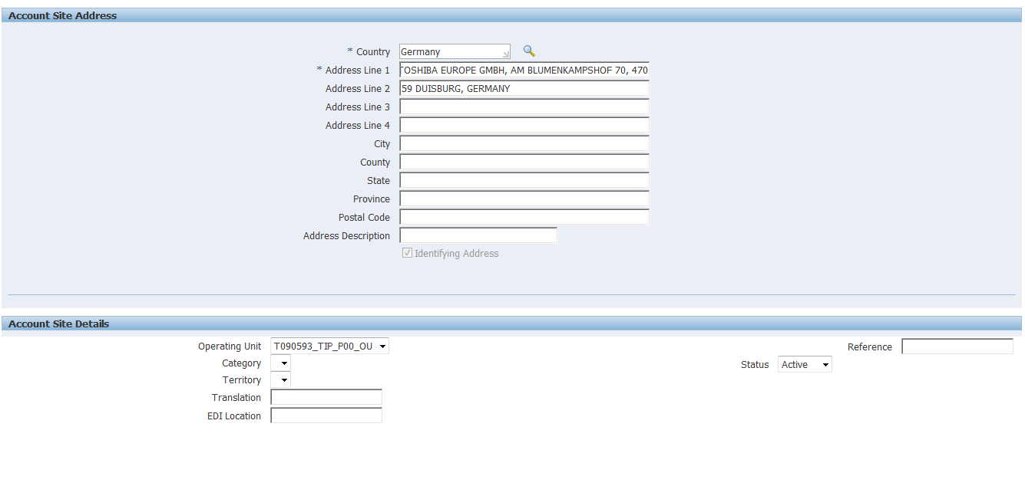

Click Relationships TAB

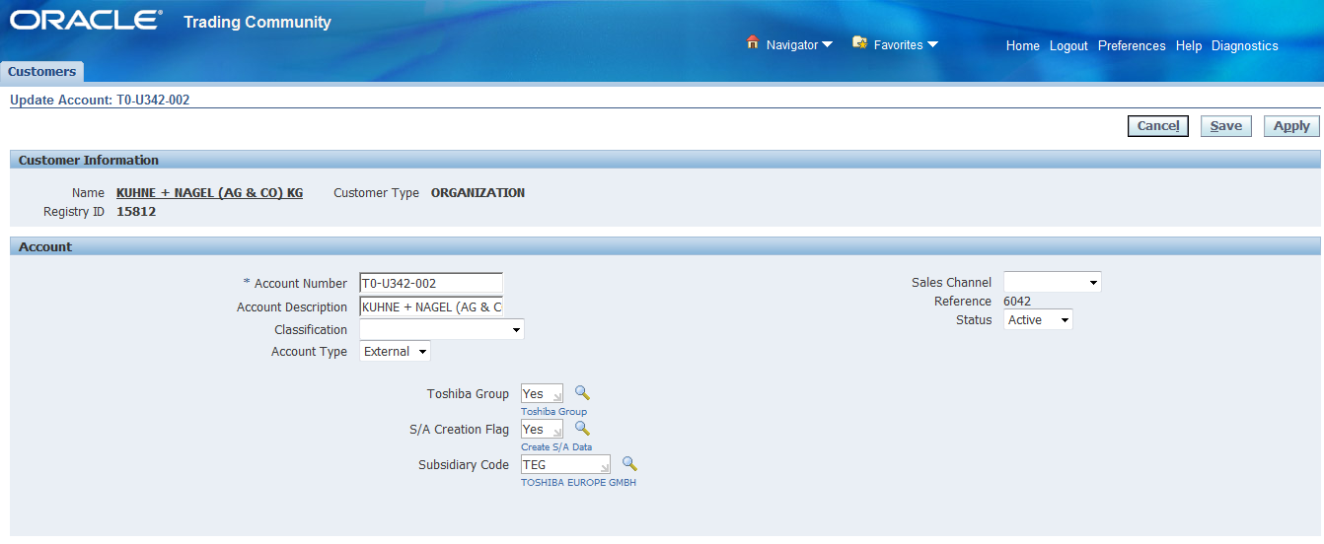

Push Create "Account Relationship" button

Enter Item
Push "Apply" button

Push "Save" button

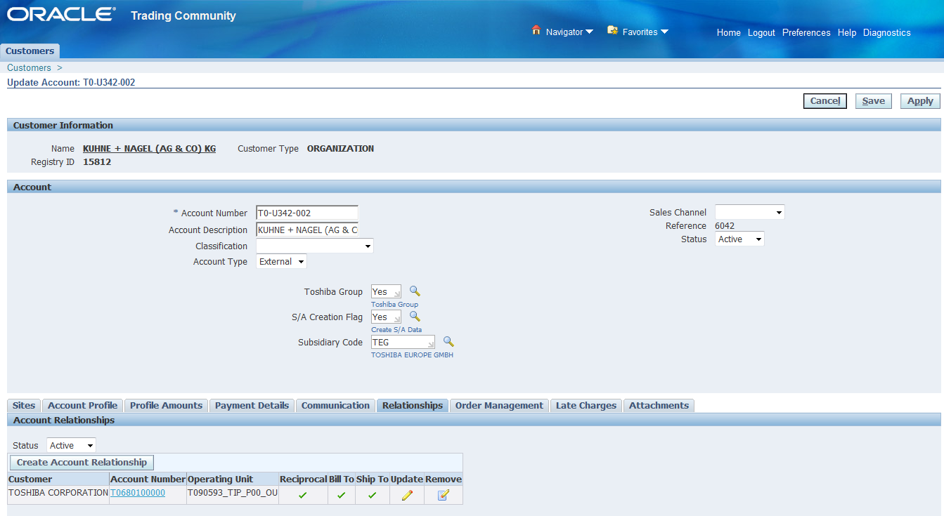

Click Sites TAB
Click Detal

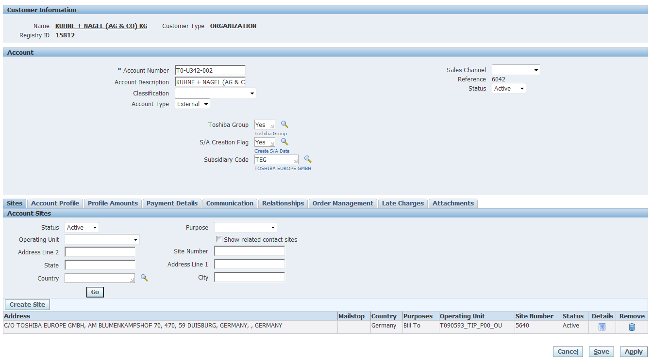

Click TAB "Business Purposes".

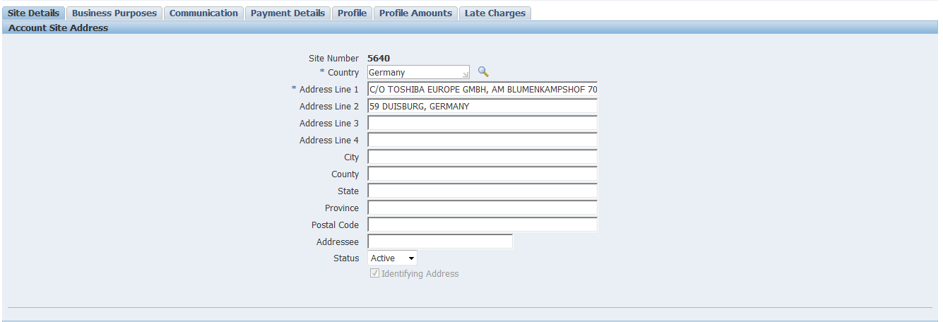

Click Bill to Location.

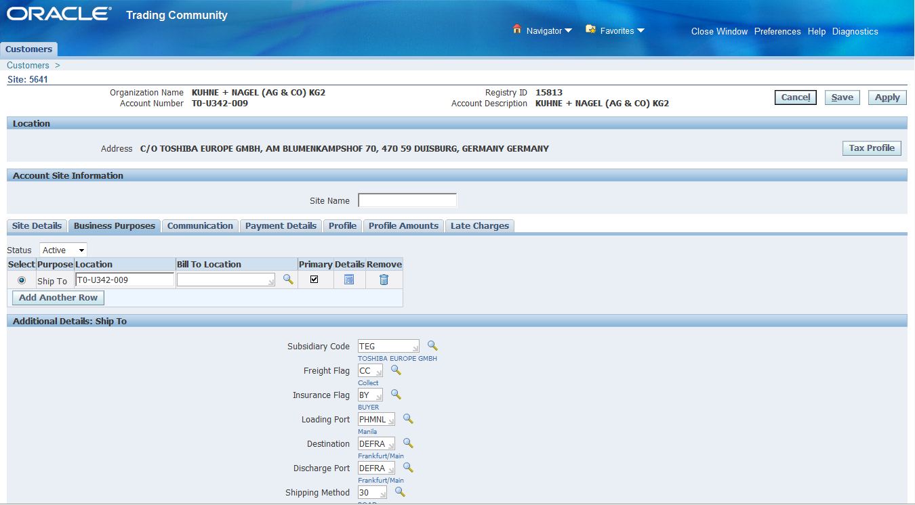

Push "Select" button.
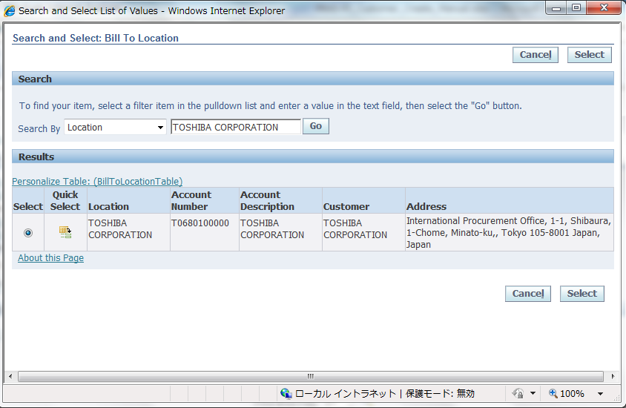

Push "Save" button.

